Hawkins supplemental info
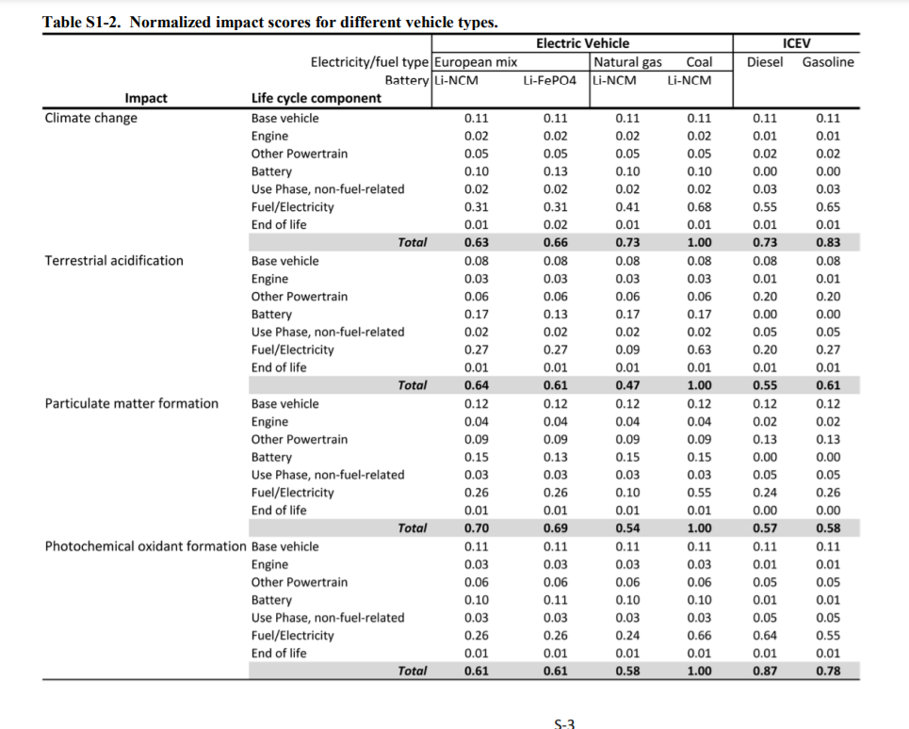
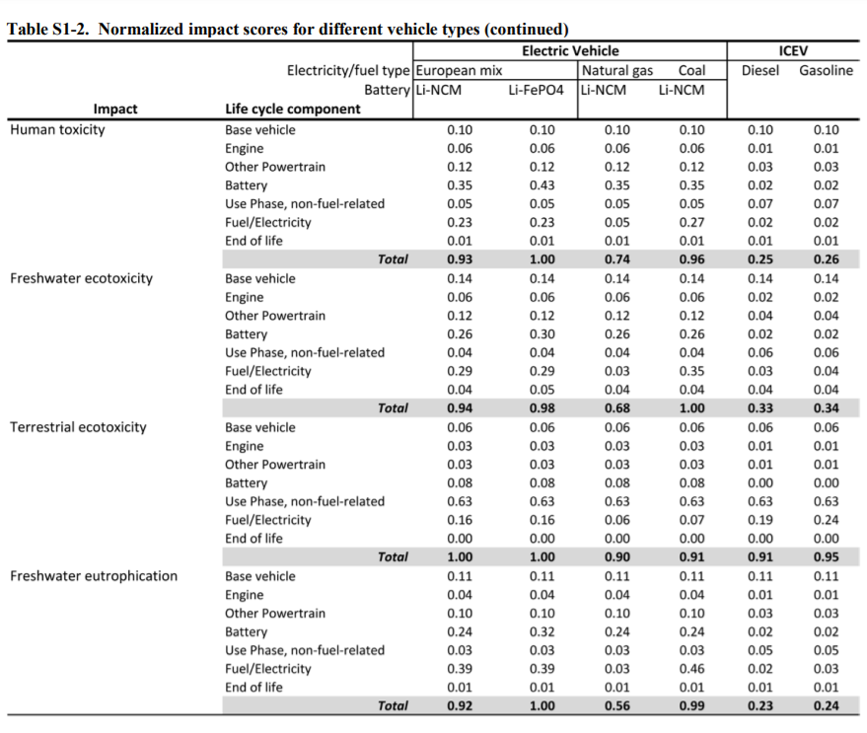
https://onlinelibrary.wiley.com/action/downloadSupplement?doi=10.1111%2Fj.1530-9290.2012.00532.x&file=jiec532-sup-0001-S1.pdf

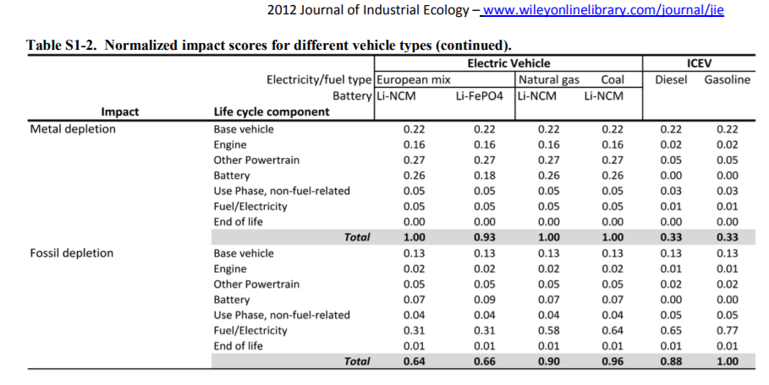
Table S1 -2 Normalized impact scores

Vehicle types | Impact | Life cycle component
 |  | Base vehicle | Engine | Other powertrain | Battery | Use phase | Fuel/electricity | End of life | Total
ICEV - Gasoline | Climate change | 0.11 | 0.01 | 0.02 | 0 | 0.03 | 0.65 | 0.01 | 0.83
EV-Ren20 | Climate change | 0.11 | 0.02 | 0.05 | 0.1 | 0.02 | 0.31 | 0.01 | 0.62
EV-Coal | Climate change | 0.11 | 0.02 | 0.05 | 0.1 | 0.02 | 0.68 | 0.01 | 0.99
ICEV - Gasoline | Metal Depletion | 0.22 | 0.02 | 0.05 | 0 | 0.03 | 0.01 | 0 | 0.33
EV-Ren20 | Metal Depletion | 0.22 | 0.16 | 0.27 | 0.26 | 0.05 | 0.05 | 0 | 1.01
EV-Coal | Metal Depletion | 0.22 | 0.16 | 0.27 | 0.26 | 0.05 | 0.05 | 0 | 1.01

